测试图示
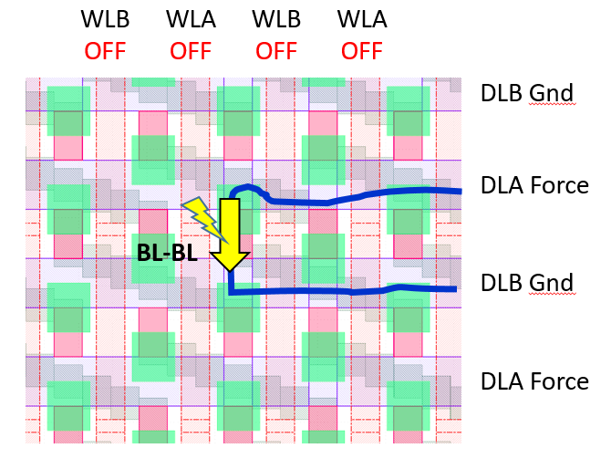
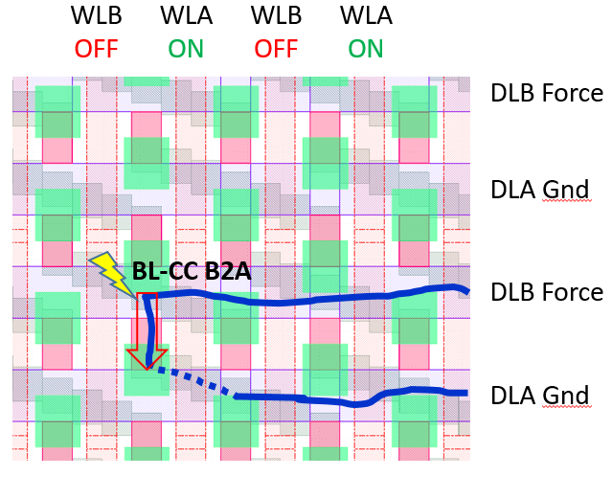
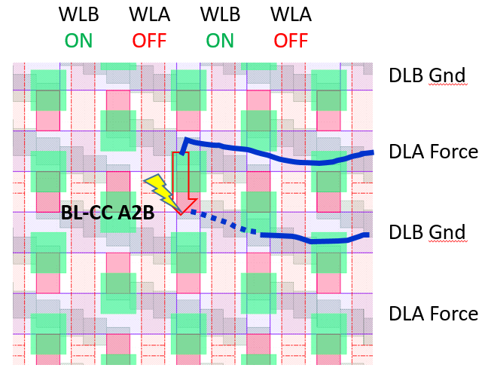
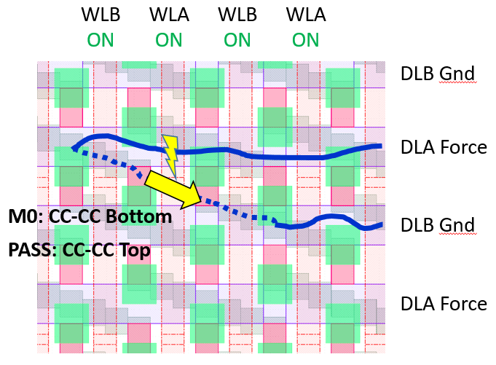
BV_ARY_64K_CL_CL | BV_ARY_64K_BL_CC_UP | BV_ARY_64K_BL_CC_DOWN | BV_ARY_64K_CC_CC_BOTTOM
1.WL都关闭
2.BL/DL/CL都是bitline意思？右边写的是DLA_DLB，图上写的是BL_BL,参数给的是CL_CL

